Resources
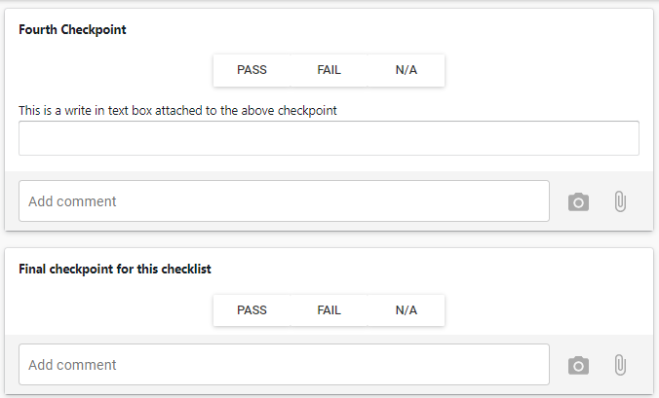
Type | Name | Values | Prefix | Postfix | Usage Count | User Addable | Template Name
checklist | Balcony Build
section | Casette Assembly
checkpoint | All parts free from defects and damage
Button |  | Pass, Fail, N/A
textbox |  |  |  |  |  | Add Comment
checkpoint | Frame squareness
Button |  | Pass, Fail, N/A
label | Measure Diagonals and compare
label | Diagonals to match +/- 2mm
textbox |  |  |  |  |  | Add Comment
checkpoint | Verify all parts and fixings have been fitted as per drawings and schedules
Button |  | Pass, Fail, N/A
textbox |  |  |  |  |  | Add Comment
checkpoint | Bolt Tightness
Button |  | Pass, Fail, N/A
label | Frequency: Every Bolt Nut Washer
label | Torque Wrench: M8 Bolts to 22Nm (yellow marker)
label | M10 to 44Nm (blue Marker) M12 to 77Nm (green marker)
textbox |  |  |  |  |  | Add Comment
section | Soffit Check
checkpoint | Soffits Level - rear angle support added
Button |  | Pass, Fail, N/A
textbox |  |  |  |  |  | Add Comment
checkpoint | Rivets / Screws: Correct Sizes and Integity
Button |  | Pass, Fail, N/A
label | Visual Check: all mounting points
label | Frequency: Every Rivet / Screw |  |  |  |  |  |  | Comment : I'd like the result to look like this with a count field for Checkpoint completeion
textbox |  |  |  |  |  | Add Comment
checkpoint | Joints Tight
Button |  | Pass, Fail, N/A

label | All soffit panels pulled tight to each other
checkpoint | Gutter Section Assembled
textbox |  |  |  |  |  | Add Comment
checkpoint | Surface Finish
Button |  | Pass, Fail, N/A
label | No imperfections visible beyond 3m
label | Frequency: Every Soffit Panel
textbox |  |  |  |  |  | Add Comment
section | Balustrade Check
checkpoint | Balustrade Kit Prepared
Button |  | Pass, Fail, N/A
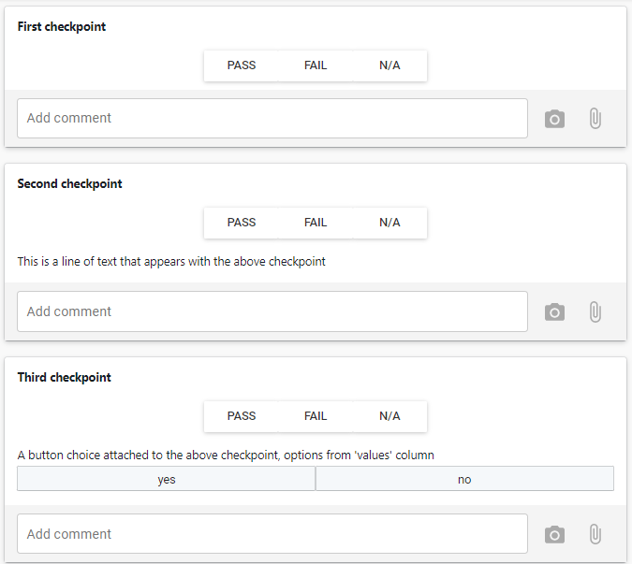
label | All Parts included
label | Correct for Lower or Upper Type
textbox |  |  |  |  |  | Add Comment
section | Decking Check
checkpoint | Preforated sheets fitted where applicable
Button |  | Pass, Fail, N/A
label | Site fitted sheets included in pack
label | Correct for Left or Right Side Unit
textbox |  |  |  |  |  | Add Comment
section | Completeion Check
checkpoint | Site pack compiled
Button |  | Pass, Fail, N/A
label | Preforated sheets, Gutter, Tile edging angle and Balustrade Kit packed
label | Correct for Upper or Lower Type
label | Correct for Left or Right Side Unit
textbox |  |  |  |  |  | Add Comment
Final checkpoint | Balcony Labeled
Button |  | Pass, Fail, N/A
label | Attache and Sign QA label
label | Label states Type, Side and Upper / Lower designation
textbox |  |  |  |  |  | Add Comment

